CommentsFor_CleanPopulationData
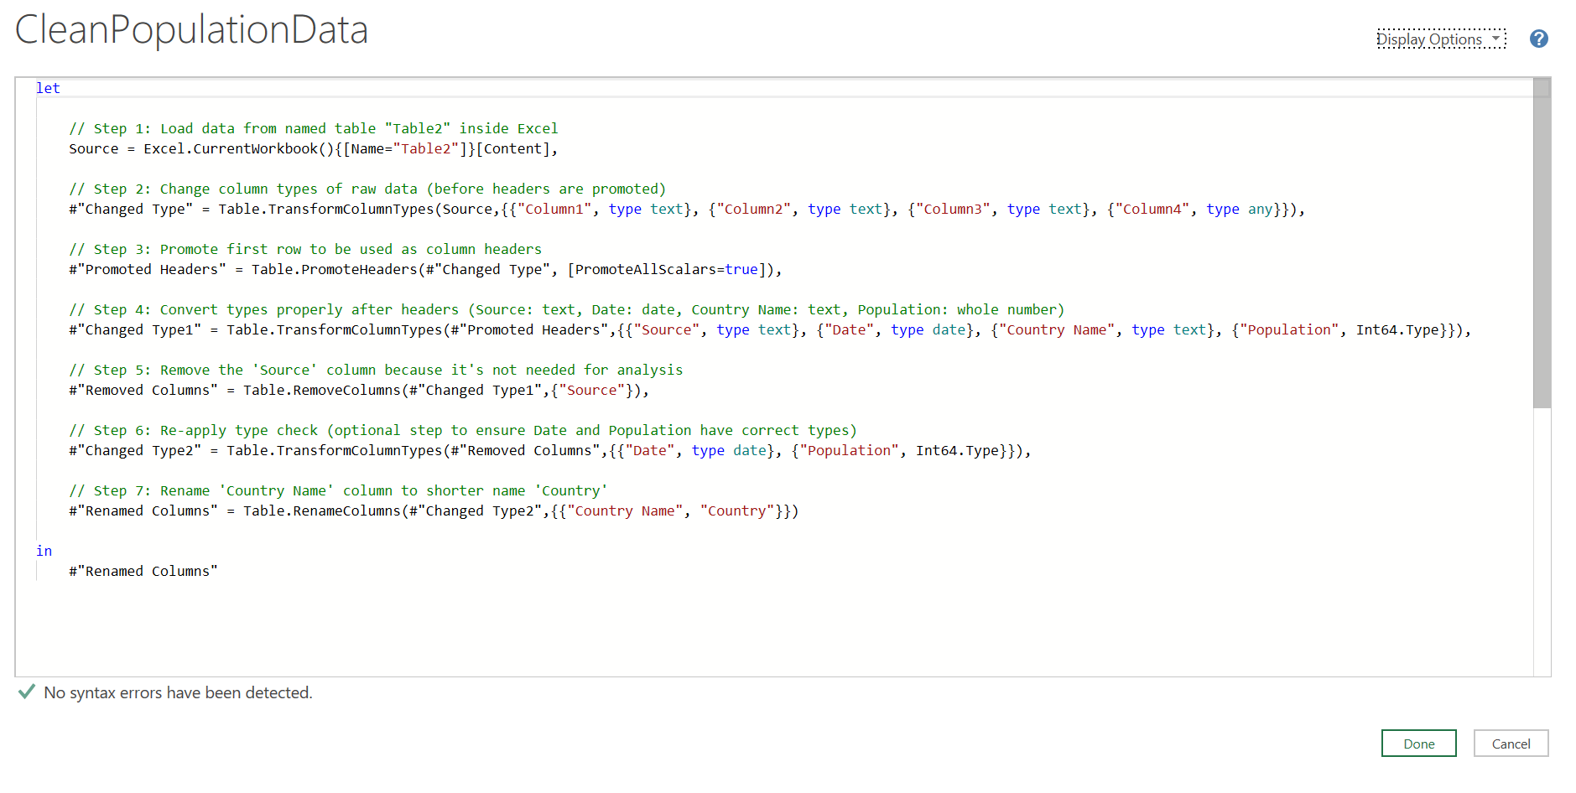

CommentsFor_FollowedSteps_Q3
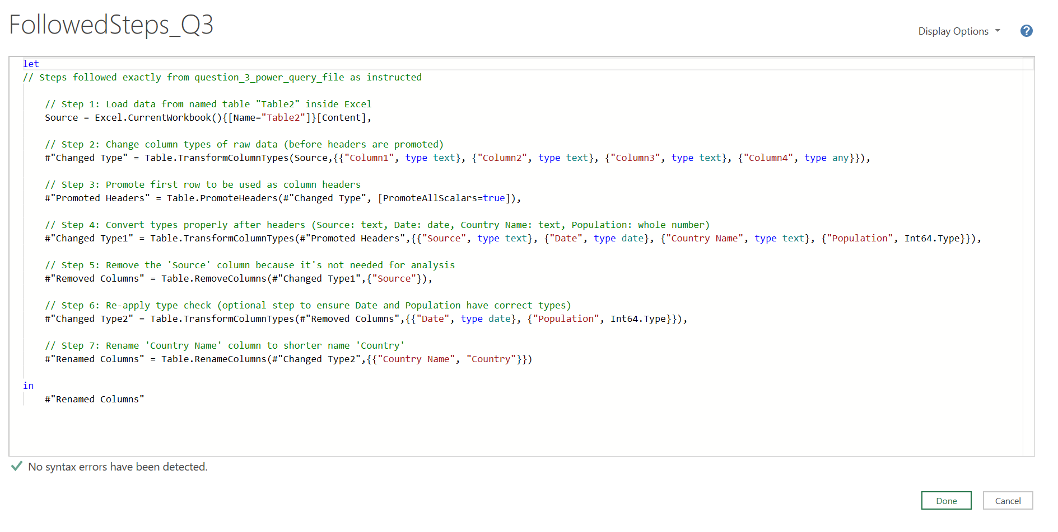

CommentsFor_SplitCurrencyInvest
